2. Type Selection
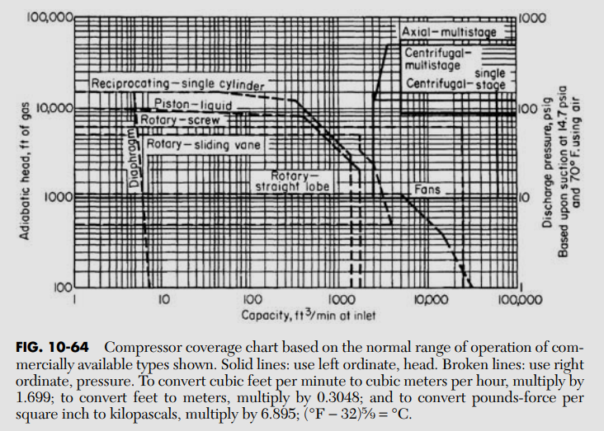
2. Compressor Type Selection
"Compressor selection is primarily based on capacity and head requirements" — Compressor Selection.pptx slide 7. Boundaries below are approximate, eyeballed from the embedded Fig. 10-64 coverage chart. Change the selected type on Sheet 1, not here.

Computed Operating Point
Capacity, Q (ACFM at suction)
Adiabatic head, H_ad (ft) [n=k, per stage]
Effective compressor type (auto-computed on Sheet 1 from Q/H_ad above; override available there)

Approx. Coverage Ranges (digitized from Fig. 10-64) — the highlighted row(s) contain your current operating point
A live chart was tried here and dropped — Excel's charting has no clean way to shade a log-log rectangular region, and a ScatterChart approximation proved unreliable in practice. Row highlighting (conditional formatting, driven by the same Q/H comparison) is simpler and equally informative.

Type | Q_min (ACFM) | Q_max (ACFM) | H_min (ft) | H_max (ft)
Diaphragm | 1 | 10 | 1,000 | 100,000
Reciprocating | 1 | 3,000 | 500 | 100,000
Rotary - Straight Lobe | 100 | 3,000 | 100 | 1,000
Rotary - Screw | 10 | 3,000 | 100 | 10,000
Rotary - Sliding Vane | 10 | 1,000 | 100 | 3,000
Rotary - Liquid Piston | 1 | 300 | 1,000 | 10,000
Centrifugal - Single Stage | 1,000 | 100,000 | 100 | 10,000
Centrifugal - Multistage | 500 | 100,000 | 1,000 | 100,000
Axial - Multistage | 3,000 | 100,000 | 100 | 3,000
Fan / Blower | 1,000 | 100,000 | 10 | 1,000

Auto-Suggestion (candidates whose box contains the operating point)
Candidate type(s)

Additional selection parameters mentioned in the deck (Reynolds number, specific speed Ns, specific diameter Ds, flow coefficient φ, pressure coefficient Ψ) are standard turbomachinery similarity parameters used mainly to refine centrifugal-stage/impeller choice once a vendor curve is available — not computed here since the deck names them without giving the specific formulas used.

Qualitative Notes by Type (from Compressor Selection.pptx)
Centrifugal [Continuous, Dynamic] | Multiple stages for lower power input; backward-curved blades most common; surges at min flow, chokes at max flow.

Reciprocating [Positive Displacement] | High pressure ratio, low flow; discharge temperature limits pressure ratio (lubricant degradation, thermal expansion); multi-stage needs interstage coolers; ~80% efficient; rod-packing failure is an overpressure scenario — PSV required on vent piping.

Rotary [Positive Displacement] | Straight lobe, screw, sliding vane, or liquid piston sub-types.

Axial [Continuous, Dynamic] | Low head, high flow, small operating range; used for gas turbines/aircraft.

Fans / Blowers | Fans <0.5 psi, blowers <1.5 psi delivery; axial fans for high flow/low pressure; centrifugal blowers most common, no cooling required (ratio ~3.5).

Ejectors [Continuous] | Steam-driven vacuum alternative to a compressor; low maintenance/cost, environmental tradeoff; not sized on this sheet.

Fig. 10-64 — Compressor coverage chart (Perry's, via Compressor Selection.pptx), for visual cross-check against the live plot above

3. Efficiency
3. Polytropic Efficiency Estimation
Three methods from Compressor Sizing.pptx slide 4-7. The method choice and all manual inputs (Scale-Up, Balje, Manual ηp) are set on Sheet 1 — this sheet shows the resulting computation for each.

Method 1: Empirical Correlation — three digitized curves by type
ηp increases with flow rate and pressure ratio; general range 70-80% (Compressor Sizing.pptx slide 5). Reciprocating uses Fig. 3 (vs. pressure ratio); Centrifugal and Axial use the two curves on Fig. 1 (vs. suction ACFM) — added when the deck was updated with that chart. Any other type still has no digitized chart and falls back to Quick Defaults below.

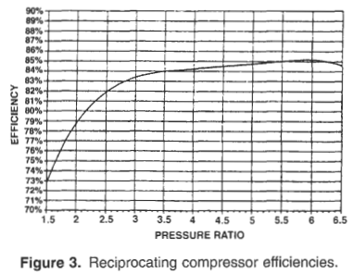
Reciprocating (Fig. 3, vs. pressure ratio)
Pressure ratio | ηp
1.5 | 74.0%
2.0 | 79.0%
2.5 | 81.5%
3.0 | 82.5%
3.5 | 83.3%
4.0 | 84.0%
4.5 | 84.3%
5.0 | 84.6%
5.5 | 84.8%
6.0 | 84.6%
6.5 | 84.3%
Interpolated ηp (Reciprocating)

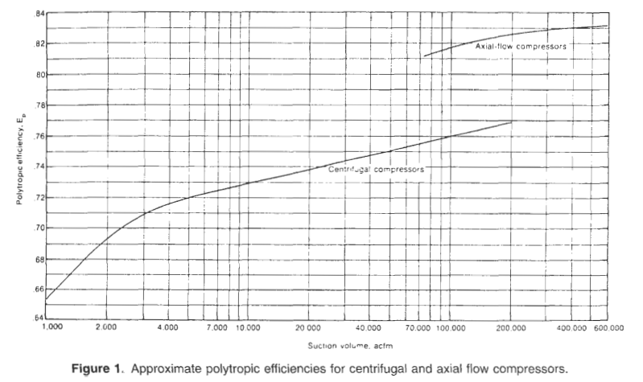
Centrifugal (Fig. 1, vs. suction ACFM)
Suction ACFM | ηp
1,000 | 65.0%
2,000 | 70.0%
4,000 | 72.0%
7,000 | 73.0%
10,000 | 73.5%
20,000 | 74.5%
40,000 | 75.5%
70,000 | 76.3%
100,000 | 76.6%
200,000 | 77.0%
Interpolated ηp (Centrifugal)

Axial (Fig. 1, vs. suction ACFM)
Suction ACFM | ηp
75,000 | 81.3%
100,000 | 81.7%
200,000 | 82.7%
400,000 | 83.2%
600,000 | 83.6%
Interpolated ηp (Axial)

Empirical Correlation result (routes by effective type)

Quick Defaults by Type (rule-of-thumb, 65-90% range per selection deck)
Reciprocating | 80%
Centrifugal - Single Stage | 76%
Centrifugal - Multistage | 75%
Axial - Multistage | 87%
Rotary - Screw | 72%
Rotary - Sliding Vane | 70%
Rotary - Straight Lobe | 68%
Rotary - Liquid Piston | 65%
Fan / Blower | 72%

Default ηp for Sheet-1 selected type
Method 2: Casey & Robinson Scale-Up (Eq. 17) — needs external friction-factor data
Δη = η2 - η1 = -Bref · (f2-f1)/fref. Friction factors f come from equations 23/24 in Appendix 1 of the Casey & Robinson paper — not included in Compressor Sizing.pptx. Inputs (η1, Bref, fref, f1, f2) are set on Sheet 1.
η1 (reference efficiency)
Bref
fref
f1
f2
η2 = η1 + Δη

Method 3: Balje Chart (centrifugal) — chart is external, Ns/Ds computed only
Specific speed Ns = N·√Q / (g·Had)^0.75 ; specific diameter Ds = D·(g·Had)^0.25 / √Q (standard turbomachinery similarity parameters, N in rad/s, Q in ft³/s, Had in ft, D in ft). N, D, and ηc are set on Sheet 1 — the Balje chart image itself is not in the deck.
Shaft speed, N (rpm)
Impeller diameter, D (ft)
Ns (dimensionless)
Ds (dimensionless)

ηc read from Balje chart (set on Sheet 1)

Selected ηp (feeds Sheet 4 and 5) — method chosen on Sheet 1
Method used
Selected ηp

4. Temp Rise & n
4. Polytropic Coefficient n and Discharge Temperature per Stage
ηp = [n/(n-1)] / [k/(k-1)] (Compressor Selection.pptx slide 6) solved for n. Discharge temp Tout = T1·r_stage^((n-1)/n), assuming each stage's suction is intercooled back to T1. Compare against Tallow (Compressor Sizing.pptx slide 8, Table below).

Max Allowable Discharge Temperature, Tallow (°F) — RANGES, not single limits
Type | Min (°F) | Max (°F) | Notes
Reciprocating | 300 | 350 | Flammable gases (e.g. H2) push the effective limit toward 300F
Centrifugal | 392 | 446 | API 617 + industry practice
Rotary | 212 | 350 | Heavily dependent on oil type — some oils degrade at temperatures as low as 212F

The range reflects real variability by construction/lubricant, not measurement uncertainty. Tout between Min and Max does not mean "safe" — it means the specific vendor/oil/seal rating must be checked; this spreadsheet flags it rather than silently picking an endpoint.

Per-Stage Calculation (up to 6 stages; blank rows beyond N_stages)
Stage | Suction P (psia) | Discharge P (psia) | T1 (°R) | n | Tout (°R) | Tout (°F) | vs. Tallow
1
2
3
4
5
6

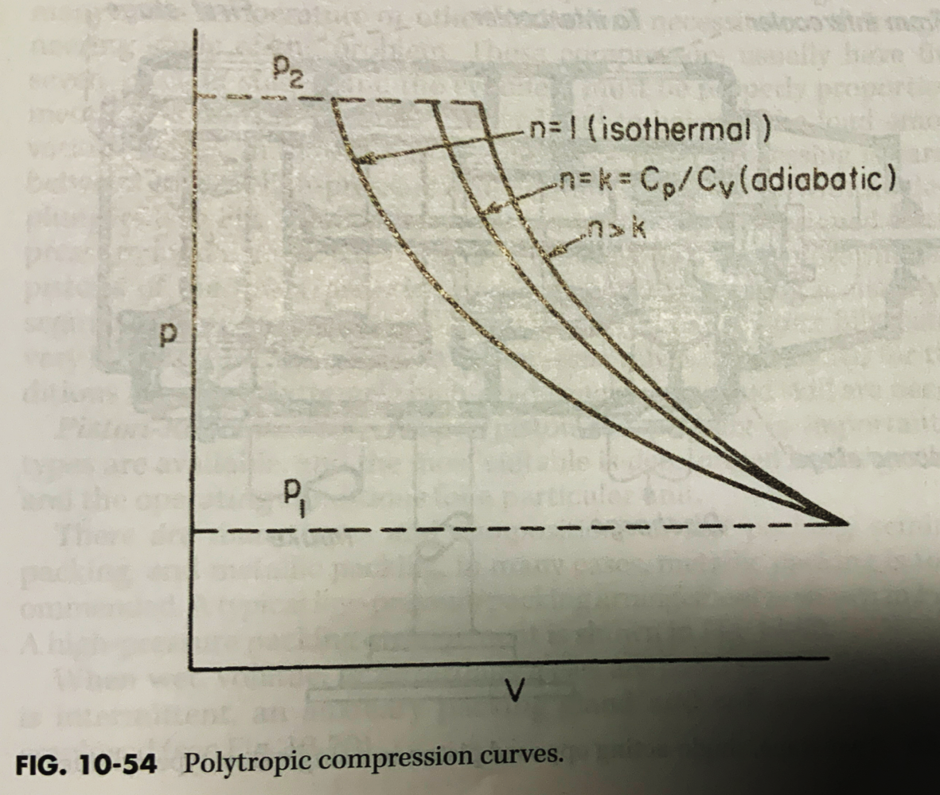
 |  |  | n=1 isothermal, n=k adiabatic, n>k polytropic — higher n gives greater temperature rise (Compressor Selection.pptx slide 5).

